Acknowledgements

Date: 15/09/2022
Authors: Matthew Emes, Azadeh Jafari, Maziar Arjomandi, Mike Collins
Version: 1D

Note
This spreadsheet contains unpublished data from the work of the University of Adelaide School of Mechanical Engineering, through the Australian Solar Thermal Research Initiative (ASTRI). This data should not be distributed to other parties without permission from University of Adelaide.
Important disclaimer
ASTRI advises that the information contained in this publication comprises general statements based on scientific research. The reader is advised and needs to be aware that such information may be incomplete or unable to be used in any specific situation. No reliance or actions must therefore be made on that information without seeking prior expert professional, scientific and technical advice. To the extent permitted by law, ASTRI (including its employees and consultants) excludes all liability to any person for any consequences, including but not limited to all losses, damages, costs, expenses and any other compensation, arising directly or indirectly from using this publication (in part or in whole) and any information or material contained in it.
For Further Information
Matthew Emes t +61 4 3277 1245 e matthew.emes@adelaide.edu.au
Azadeh Jafari t +61 4 2414 9290 e azadeh.jafari@adelaide.edu.au
Maziar Arjomandi t +61 4 0066 9063 e maziar.arjomandi@adelaide.edu.au
Mike Collins t +61 4 3118 4676 e mike.collins@csiro.au

The Australian Solar Thermal Research Initiative (ASTRI) Program is supported by the Australian Government through the Australian Renewable Energy Agency (ARENA)

Heliostat Coordinate System
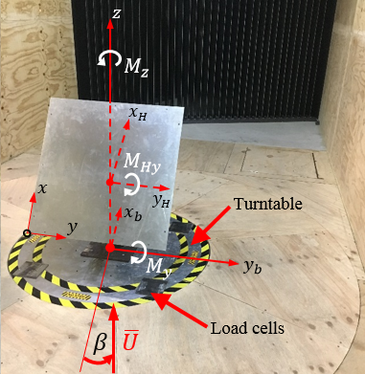
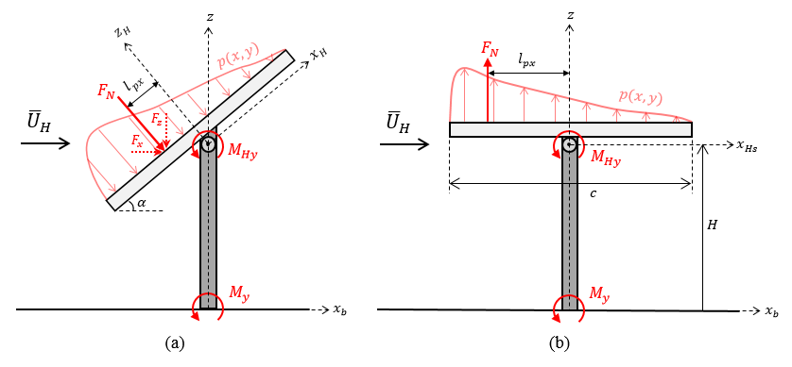

Definitions
α | Elevation angle (°)
β | Azimuth angle (°)
U | Mean wind speed (m/s)
l_px | Centre of pressure distance (m)
c | Heliostat mirror chord length (m)
H | Heliostat elevation axis height (m)

Load coefficients
CFx = Fx/(1/2ρU2A) | Drag force coefficient
CFz = Fz/(1/2ρU2A) | Lift force coefficient
CMHx = MHx/(1/2ρU2Ac) | Hinge moment about x_H axis
CMHy = MHy/(1/2ρU2Ac) | Hinge moment about y_H azis
CMy = My/(1/2ρU2AH) | Overturning moment about y_b axis at heliostat base
CMz = Mz/(1/2ρU2Ac) | Azimuth moment about z axis

Velocity and turbulence characteristics
z_0 | Log law roughness parameter (m)
α | Power law velocity profile exponent
I_u = U_rms/U_mean | Turbulence intensity (%)
G_u = U_gust/U_mean | Gust factor

Effect of terrain on ABL velocity profiles (Peterka and Derickson 1992) |  |  | Turbulence intensity profiles (ESDU 85020, 2001) | Gust factor profiles (ESDU 85020, 2001) | Gust factor profiles (ESDU 85020, 2001)
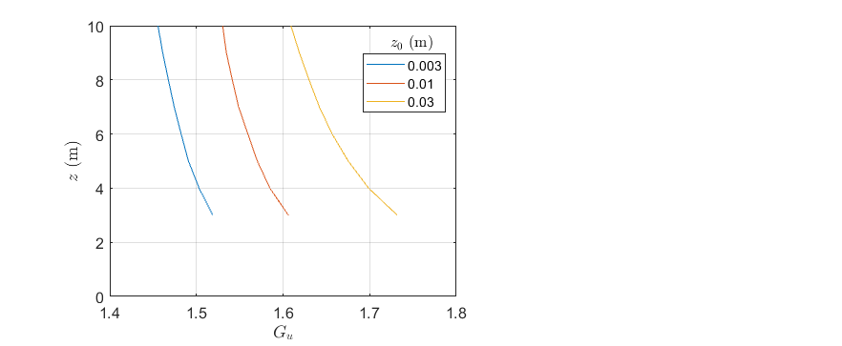
Terrain description | z_0 (m) | α
Open country with isolated trees and buildings | 0.03 | 0.17
Grass and very few trees | 0.01 | 0.15
Flat desert | 0.003 | 0.12

