PR1-Lighting
PR1 : Lighting
 |  |  |  | Abbreviations
 |  |  |  | ROI: Return of Investment
 |  |  |  | Note 1: Please provide the estimated costs associated with the initiative (including hardware and labour).

 |  |  |  | Pre - Project |  |  |  |  |  |  |  |  |  |  |  |  | Post - Project |  |  |  |  |  |  |  |  |  |  |  |  | Difference (Pre and Post Project)
Initiative ID | Building Name | Location | Area m2 | Type of Activity Space | Project/Lighting Description | Control | Number of fittings | Wattage per Fitting including control gear | Estimated peak electricity load/ Peak Demand (kVA) | Estimated Energy Density W/m2 | Diversity factor (when different control methods are used) | Estimated Daily Usage Hours | Annual Days of Operation Days/yr | Annual Electricity Consumption kWh/yr | Scope 2 emissions kg CO2e | Scope 3 emissions kg CO2e | Type of Activity | Lighting Description | Control | Number of fittings | Wattage per Fitting including control gear | Estimated peak electricity load/ Peak Demand (kVA) | Estimated Energy Density W/m2 | Diversity factor (when different control methods are used) | Estimated Daily Usage Hours | Annual Days of Operation Days/yr | Annual Electricity Consumption kWh/yr | Scope 2 emissions kg CO2e | Scope 3 emissions kg CO2e | Estimated peak electricity load/ Peak Demand (kVA) | Energy Density W/m2 | Annual Energy Consumption kWh/yr | Scope 2 emissions kg CO2e | Scope 3 emissions kg CO2e
PR1.1 | Schulz | L12 | 500 | Office | 2xT8 | Manual | 100 | 68 | 7.2 | 13.6 | 100% | 8 | 365 | 19856 | 4567 | 993 | Office | LED panel | CBUS plus Occupancy | 90 | 40 | 3.8 | 7.2 | 75% | 8 | 365 | 7884 | 1813 | 394 | 3.3684210526 | 6.4 | 11972 | 2754 | 599
PR1.2 | Schulz | L10 | 500 | Meeting Room | Halogen Downlights | Manual | 10 | 65 | 0.7 | 1.3 | 100% | 8 | 365 | 1898 | 437 | 95 | Office | LED downlights | Occupancy | 10 | 15 | 0.2 | 0.3 | 75% | 8 | 365 | 328.5 | 76 | 16 | 0.52631578947 | 1.0 | 1569.5 | 361 | 78
PR1.3 | Schulz | External | 0 | Whole Building | Security halogen lamps | Timer | 100 | 150 | 15.8 | N/A | 75% | 8 | 365 | 32850 | 7556 | 1643 | Common Areas | Security LED | PE cell plus timer | 100 | 50 | 5.3 | N/A | 50% | 8 | 365 | 7300 | 1679 | 365 | 10.526315789 | N/A | 25550 | 5877 | 1278

Total |  |  |  |  |  |  |  |  |  |  |  |  |  |  |  |  |  |  |  |  |  |  |  |  |  |  |  |  |  | 14.4 | 7.4 | 39091.5 | 8991.0 | 1954.6

Aggregated Summary

Estimated electricity saving per year (kWh / year) | Estimated Peak Demand Saving (kVA) | Total estimated Cost Saving per year ($ / year) | Scope 2 emissions kg CO2e / year | Scope 3 emissions kg CO2e / year | Total Project Cost $ Refer Note 1 | Simple Payback Yrs (if applicable) | ROI (if applicable)
39092 | 14.4 | $9,975 | 8991 | 1955 |  | 0

 |  |  |  |  |  |  |  |  |  |  |  |  |  |  |  |  |  |  |  |  |  |  |  |  |  | mn n

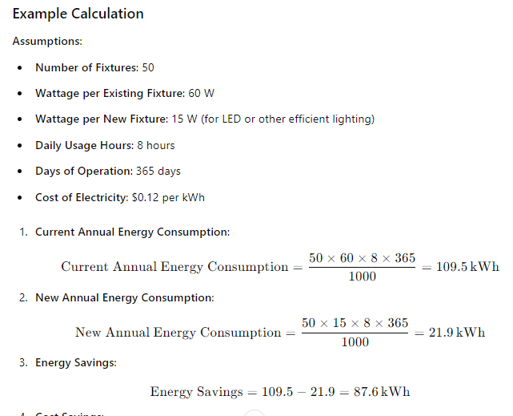

PR2-Space HVAC
PR2: Space Heating, Cooling and Ventilation
 |  |  |  | Abbreviations
 |  |  |  | ROI: Return of Investment
 |  |  |  | Note 1: Please provide the estimated costs associated with the initiative (including hardware and labour).

 |  |  |  | Pre - Project |  |  |  |  |  |  |  |  |  |  | Post - Project |  |  |  |  |  |  |  |  |  |  | Difference (Pre and Post Project)
Initiative ID | Building Name | Serviced section | Serviced area - m2 | Project/description | Refrigerant Type & Volume | Refrigerant Global Warming Potential | Estimated peak electricity load/ Peak Demand (kVA) | Estimated annual operating hours (hrs/year) | Estimated annual electrcity consumption kWh/yr | Estimated Annual Gas Consumption MJ/yr | Scope 1 emissions from Gas kgCO2e | Scope 3 emissions from Gas kgCO2e | Scope 2 emissions from Electricity kg CO2e | Scope 3 emissions from Electricity kg CO2e | Project/description | Refrigerant Type & Volume | Refrigerant Global Warming Potential | Estimated peak electricity load/ Peak Demand (kVA) | Estimated annual operating hours (hrs/year) | Estimated annual electrcity consumption kWh/yr | Estimated Annual Gas Consumption MJ/yr | Scope 1 emissions from Gas kgCO2e | Scope 3 emissions from Gas kgCO2e | Scope 2 emissions from Electricity kg CO2e | Scope 3 emissions from Electricity kg CO2e | Electricity load/Demand kVA | Annual Electrcity Consumption kWh/yr | Annual Gas Consumption MJ/yr | Scope 1 emissions from Gas kgCO2e | Scope 3 emissions from Gas kgCO2e | Scope 2 emissions from Electricity kg CO2e | Scope 3 emissions from Electricity kg CO2e
PR2.1 | Schulz | Whole building | 6000 | Current chiller upgrade to high efficient chiller | R22, 200L | 1810 | 240 | 2500 | 150,000 | 0 | 0 | 0 | 34,500 | 7,500 | New Chiller | R1234ze, 250L | 7 | 180 | 365 | 100,000 | - | - | - | 23,000 | 5,000 | 60 | 149,635 | - | - | - | 11,500 | 2,500
PR2.2 | Schulz | Whole building | 6000 | Central Plant (as a system) | N/A | N/A | 300 | 2500 | 200,000 | 75,000 | 3855 | 802.5 | 46,000 | 10,000 | Multiple modifications & BMS tune-up | N/A | N/A | 215 | 365 | 150,000 | 25,000 | 1,285 | 268 | 34,500 | 7,500 | 85 | 199,635 | 50,000 | 2,570 | 535 | 11,500 | 2,500

Total |  |  |  |  |  |  |  |  |  |  |  |  |  |  |  |  |  |  |  |  |  |  |  |  |  | 145 | 349270 | 50000 | 2570 | 535 | 23000 | 5000

Aggregated Summary
Estimated Annual Electrcity Saving (kWh / year) | Estimated Annual Gas Saving (GJ / year) | Estimated Peak Demand Reduction (kVA) | Estimated Annual Cost Saving ($ / year) | Scope 1 emissions kg CO2e / year | Scope 2 emissions kg CO2e / year | Scope 3 emissions kg CO2e / year | Total Project Cost $ Refer Note 1 | Simple Payback Yrs (if applicable) | ROI (if applicable)
349270 | 50 | 145.0 | $90,598 | 2,570 | 23,000 | 5,535 |  | 0

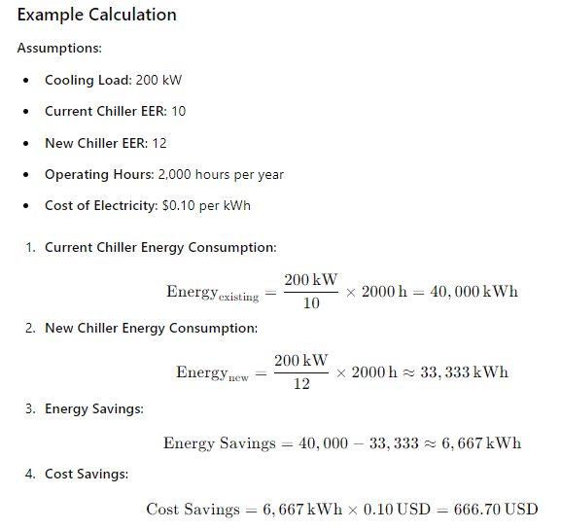

PR4-BE
PR4: Building Envelope (BE)
 |  |  |  | Abbreviations
 |  |  |  | ROI: Return of Investment
 |  |  |  | Note 1: Please provide the estimated costs associated with the initiative (including hardware and labour).

 |  |  | Pre - Project |  |  |  |  |  | Post - Project |  |  |  |  |  | Difference Pre and Post Project
Initiative ID | Building Name | Location | Project/description | Estimated baseline thermal load (kWh per year) | Scope 1 emissions from Gas kg CO2e | Scope 3 emissions from Gas kg CO2e | Scope 2 emissions from Electricity kg CO2e | Scope 3 emissions from Electricity kg CO2e | Project/description | Estimated improvement to Thermal load (kWh per year) | Scope 1 emissions from Gas kg CO2e | Scope 3 emissions from Gas kg CO2e | Scope 2 emissions from Electricity kg CO2e | Scope 3 emissions from Electricity kg CO2e | Annual Electricity Consumption kWh | Annual Gas Consumption MJ | Scope 1 emissions from Gas kg CO2e | Scope 3 emissions from Gas kg CO2e | Scope 2 emissions from Electricity kg CO2e | Scope 3 emissions from Electricity kg CO2e
...
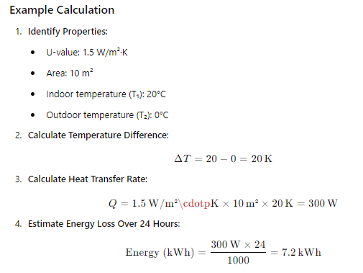

PR6-Renewable
...
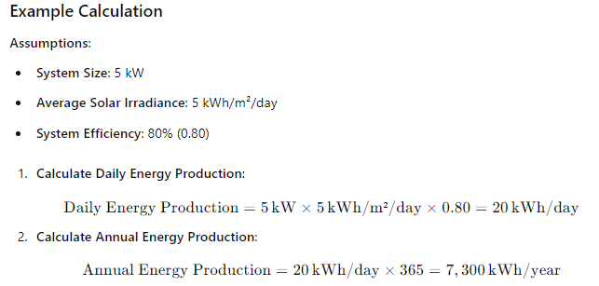

PR7-Water
...
